3nf
Tabel Project |  |  |  | Tabel Employee |  |  |  |  | Tabel Job class

num_project | name_project |  |  | num_employee | name_employee | street_address |  |  | num_jobclass | name_jobclass | chr_per_hour
15 | Evergreen |  |  | 103 | June E. Arbough | Pazmaniteng 24-9 |  |  | E01 | Elec. Engineering | € 84.50
18 | Amber Wave |  |  | 101 | John G. News | Weihburggasse 26 |  |  | E02 | Database Designer | € 105.00
22 | Einsten |  |  | 105 | Alice K. Johnson | Pazmaniteng 25-19 |  |  | E03 | Programmer | € 35.75
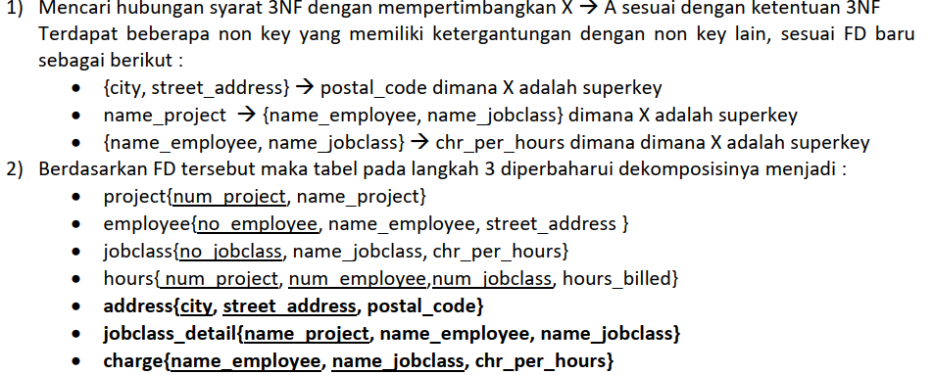
25 | Phoenix |  |  | 106 | William Smithfield | Gartenweg 8 |  |  | E04 | System Analyst | € 96.75
numproject -> name project |  |  |  | 102 | David H. Senior | Wiener Hauptstraße 10/A/4/15 |  |  | E05 | Application Desiger | € 48.10
 |  |  |  | 114 | Annelise Jones | Pazmaniteng 1-1 |  |  | E06 | General Support | € 18.36
 |  |  |  | 118 | James J. Frommer | Gartenweg 20 |  |  | E07 | DSS Analyst | € 45.95
 |  |  |  | 104 | Anne K. Ramoras | Sterzinger Straße 1 |  |  | E08 | Clerical Support | € 26.87
 |  |  |  | 112 | Darlene M. Smithson | Liebiggasse 5/1/5
 |  |  |  | 113 | Delbert K. Joenbrood | Liebiggasse 3/1/10
 |  |  |  | 111 | Geoff B. Wabash | Krakaudorf 32
 |  |  |  | 107 | Maria D. Alonzo | Krakaudorf 11
 |  |  |  | 115 | Travis B. Bawangi | Liebiggasse 3/1/10
 |  |  |  | 108 | Ralph B. Washington | Krakaudorf 22

Tabel Hour Billed |  |  |  |  |  | Tabel address
num_project | num_employee | num_jobclass | hours_billled |  |  | street_address | city | postal_code
15 | 103 | E01 | 23.8 |  |  | Pazmaniteng 24-9 | Vienna | A-1020
15 | 101 | E02 | 19.4 |  |  | Weihburggasse 26 | Vienna | A-1020
15 | 105 | E02 | 35.7 |  |  | Pazmaniteng 25-19 | Vienna | A-1020
15 | 106 | E03 | 12.6 |  |  | Gartenweg 8 | Rafing | A-1010
15 | 102 | E04 | 23.8 |  |  | Wiener Hauptstraße 10/A/4/15 | Wien | A-1014
18 | 114 | E05 | 24.6 |  |  | Pazmaniteng 1-1 | Vienna | A-1020
18 | 118 | E06 | 45.3 |  |  | Gartenweg 20 | Rafing | A-1010
18 | 104 | E04 | 32.4 |  |  | Sterzinger Straße 1 | Innsbruck | A-6020
18 | 112 | E07 | 44 |  |  | Liebiggasse 5/1/5 | Wien | A-1014
22 | 105 | E02 | 64.7 |  |  | Liebiggasse 3/1/10 | Wien | A-1014
22 | 104 | E04 | 48.4 |  |  | Krakaudorf 32 | Krakaudorf | A-8854
22 | 113 | E05 | 23.6 |  |  | Krakaudorf 11 | Krakaudorf | A-8854
22 | 111 | E08 | 22 |  |  | Liebiggasse 3/1/10 | Wien | A-1014
22 | 106 | E03 | 12.8 |  |  | Krakaudorf 22 | Krakaudorf | A-8854
25 | 107 | E03 | 24.6
25 | 115 | E04 | 45.8
25 | 101 | E02 | 56.3
25 | 114 | E05 | 33.1
25 | 108 | E04 | 23.6
25 | 118 | E06 | 30.5
25 | 112 | E07 | 41.4

